Project overview
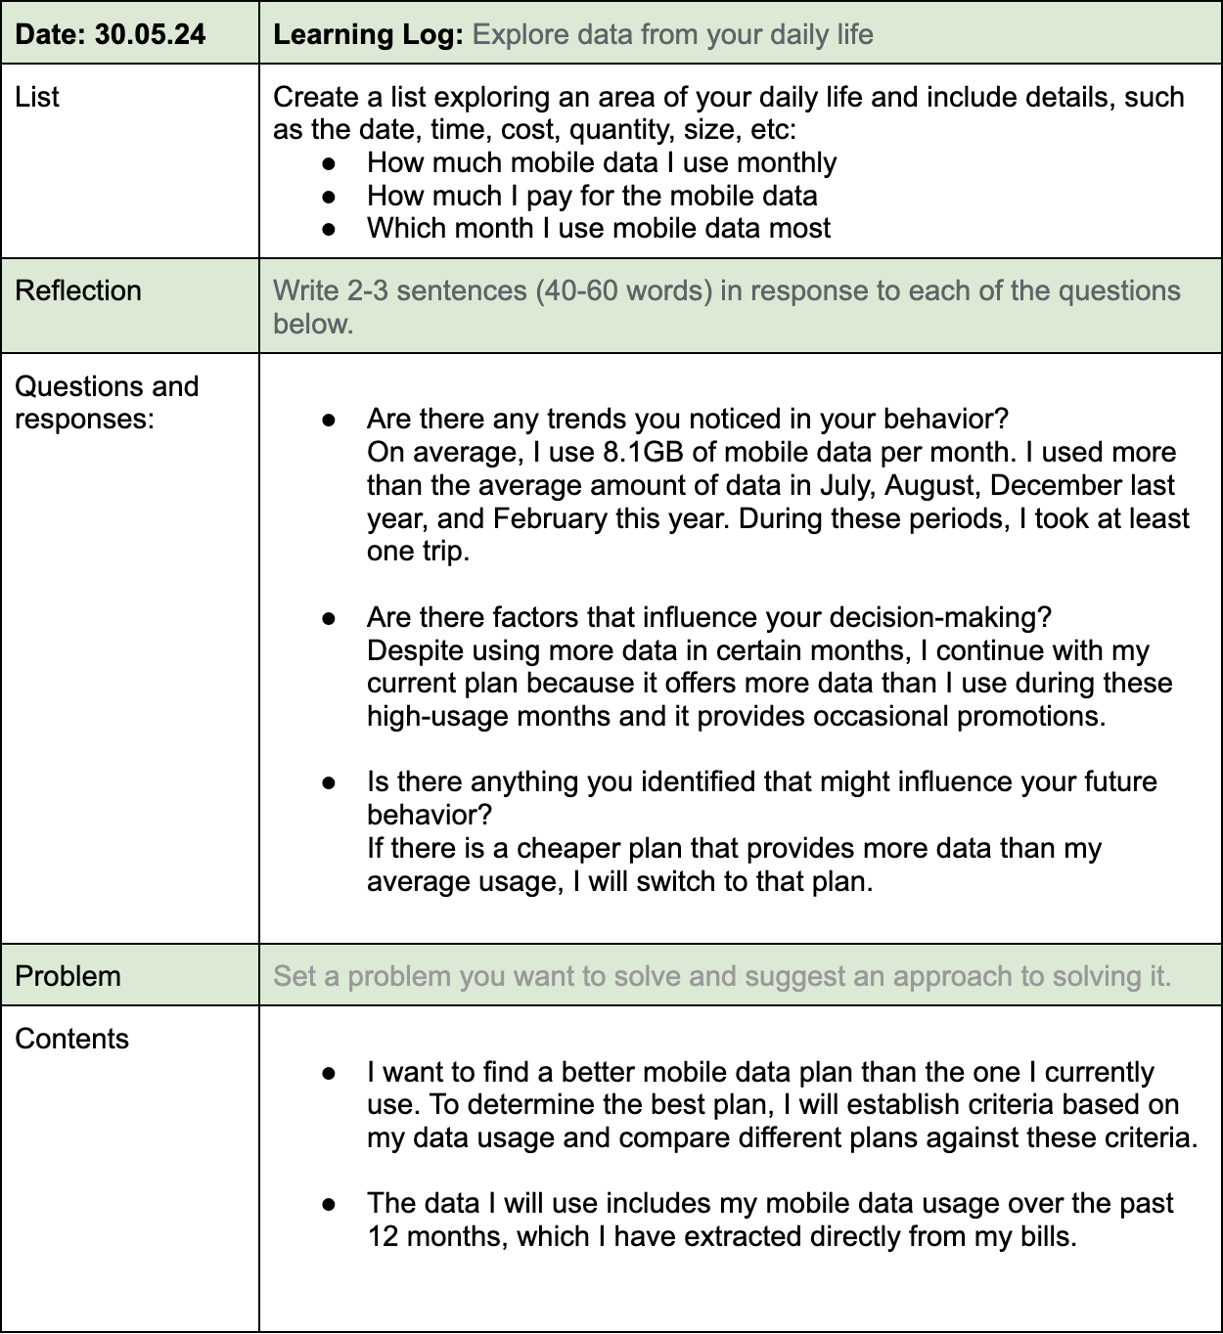
Analyzing Mobile Data Usage to Optimize Plan Selection

 | 30.05.24 Seoho Jeong(DA)

Analysis Report
Start | End | Data Usage(GB) | Data Allowance(GB) | Percentage of Data Allowance Used | Price(EUR) | Note
2023-05-01 | 2023-05-31 | 7.65 | 10 | 76.50% | 7.99
2023-06-01 | 2023-06-30 | 6.39 | 10 | 63.90% | 7.99
2023-07-01 | 2023-07-31 | 8.24 | 10 | 82.40% | 7.99
2023-08-01 | 2023-08-31 | 9.99 | 10 | 99.90% | 7.99
2023-09-01 | 2023-09-30 | 6.6 | 10 | 66.00% | 7.99
2023-10-01 | 2023-10-31 | 5.78 | 16 | 36.13% | 7.99 | Received an additional 6GB as part of a promotion.
2023-11-01 | 2023-11-30 | 6.31 | 16 | 39.44% | 7.99
2023-12-01 | 2023-12-31 | 8.95 | 16 | 55.94% | 7.99
2024-01-01 | 2024-01-31 | 5.03 | 16 | 31.44% | 7.99
2024-02-01 | 2024-02-29 | 9.48 | 16 | 59.25% | 7.99
2024-03-01 | 2024-03-31 | 0.048 | 16 | 0.30% | 7.99 | Minimal data usage during non-EU travel
2024-04-01 | 2024-04-30 | 14.7 | 16 | 91.88% | 7.99
Comparison of Mobile Data Providers

Avg. Data Usage | Price (EUR) | Price per Data Usage | Conclusion
8.1 | 7.99 | 1.01 | - Data must exceed 8.1GB - Price per Data less than1.01

Provider | Data Allowance (GB) | Price (EUR) | Price per Data Allowance
Current Provider | 16 | 7.99 | 0.5
A | 20 | 9.99 | 0.5
B | 15 | 7.32 | 0.49
C | 10 | 12.87 | 1.29
D | 7 | 5.99 | 0.86
E | 28 | 10.2 | 0.36

Summary

- While my current plan is reasonably priced, there are cheaper options that offer more mobile data than my average usage. - Although prices vary depending on specific contract conditions (e.g., a 24-month contract), Provider E's plan has a significant cost advantage compared to my current plan. - Visualization of plans from different providers showed that Provider E offers the lowest price per data unit while providing the most mobile data. Therefore, I have decided to switch to this plan next month.

